Dashboard
🪐 PLANET DATA VISUALIZATION DASHBOARD
Exoplanet Mass & Radius Analytics • 5,986 Confirmed Planets • Source: Cleaned & Feature-Engineered Dataset

TOTAL PLANETS |  |  | HIGHEST MASS |  | LOWEST MASS |  | AVG. MASS
5,986 |  |  | GJ 2030 Ac (12.93 Mj) |  | LHS 1678 b (0.00019 Mj) |  | 1.4925 Mj

Confirmed exoplanets in dataset |  |  | Most massive confirmed planet |  | Least massive confirmed planet |  | Mean across all measured planets

AVG. RADIUS |  | MEDIAN MASS |  | MASS–RADIUS CORR. |  | MASS DATA COVERAGE | RADIUS DATA COVERAGE
0.4015 Rj |  | 0.3700 Mj |  | 0.417 |  | 34.7% | 76.3%

Mean radius, Jupiter units |  | Robust central tendency |  | Pearson correlation coefficient |  | Planets with measured mass | Planets with measured radius
EXOPLANET EXPLORER

Planet Mass Classification
Distribution & Composition
Number of Planets by Planet Status
 | Number of Planets

Top Planets by Size
Top 10 Planets by Mass
 | Mass (Mj)
Top 10 Planets by Radius
 | Radius (Rj)

Relationships & Data Quality
Relationship Between Planet Mass and Radius
 | Planets
Outlier Rate by Field (1.5×IQR Method)
 | Outlier %

Key Findings & Data Notes
• Dataset covers 5,986 confirmed exoplanets; every record carries planet_status = Confirmed.

• Most massive planet: GJ 2030 Ac at 12.934 Jupiter masses; least massive: LHS 1678 b at 0.00019 Jupiter masses.

• Mean planet mass is 1.4925 Mj vs. a median of 0.3700 Mj — the large mean/median gap signals a right-skewed distribution driven by a minority of giant planets.

• Mass and radius show a moderate positive correlation (r = 0.417); bigger planets tend to be heavier, but the relationship is far from linear across the full mass range.

• Mass data is available for 34.7% of planets and radius for 76.3% — coverage gaps should be kept in mind when generalizing findings.

• IQR-based outlier screening flags 13.5% of mass values and 19.2% of radius values as statistical outliers — mostly ultra-massive or ultra-large planets.

• See the Mass Classification and Radius Classification sheets for a full breakdown of planet types (Sub-Neptune through Super-Jupiter).

Notes: Mass and radius are expressed in Jupiter units (Mj, Rj). Classification thresholds are approximate size bands for exploratory grouping, not formal planetary-science definitions. Outliers identified via the 1.5×IQR fence method. All KPI, chart, and classification values are live formulas linked to the 'Cleaned Data' sheet and recalculate automatically.
Data Visualization & Dashboard | Cleaned Dataset Analysis

HIGHEST MASS PLANET HATS-70 b Mass: 12.9000 | LOWEST MASS PLANET LHS 1678 b Mass: 0.00019 |  | AVERAGE MASS 0.9240 Jupiter masses | AVERAGE RADIUS 0.7116 Jupiter radii | VALID PLANETS 1,588 Mass + radius records

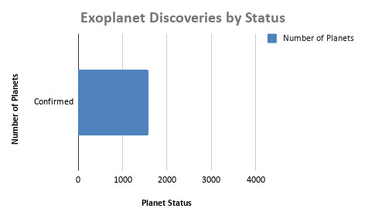
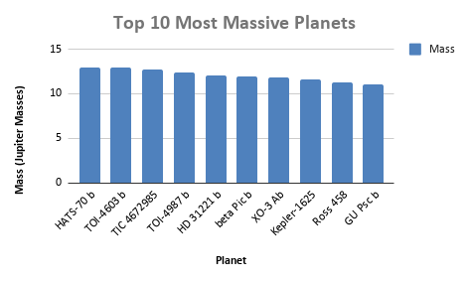

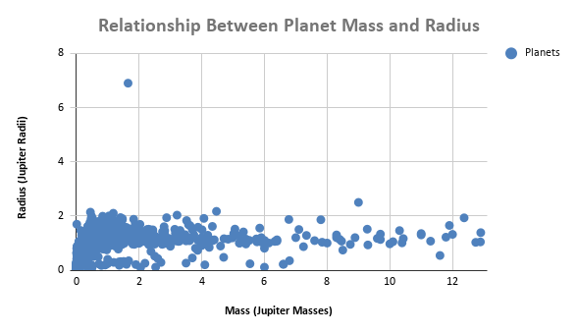

 |  |  |  |  |  |  |  | KEY FINDINGS
 |  |  |  |  |  |  |  | • Highest mass: HATS-70 b (12.9000)

